Integer Linear Progr. Exercise
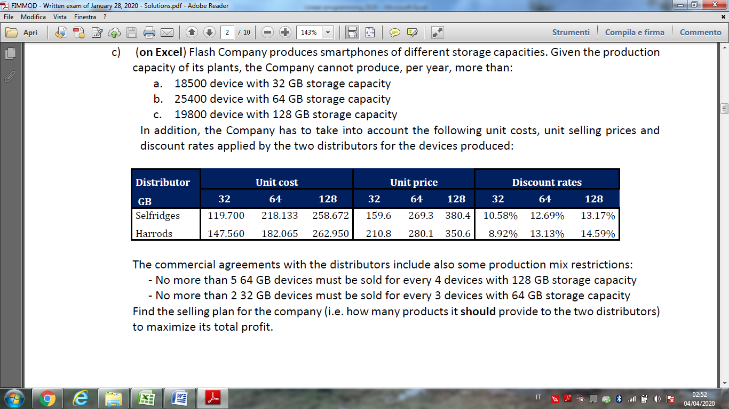

Distributor | Unit cost |  |  | Unit price |  |  | Discount rates
GB | 32 | 64 | 128 | 32 | 64 | 128 | 32 | 64 | 128
Selfridges | 119.7 | 218.133 | 258.672 | 159.6 | 269.3 | 380.4 | 10.58% | 12.69% | 13.17%
Harrods | 147.56 | 182.065 | 262.95 | 210.8 | 280.1 | 350.6 | 8.92% | 13.13% | 14.59%

Distributor | Decision variables |  |  | Discount applied |  |  | Total profit
GB | 32 | 64 | 128 | 32 | 64 | 128 | 32 | 64 | 128 | Total profit
Selfridges
Harrods

Constraints

Max year production |  | Current plan |  | Boundary
32 GB device
64 GB device
128 GB device

Production mix |  | Current plan |  | Boundary
64 GB/128 GB
32 GB/64 GB

Monte Carlo Simulation Solution
 | Options for new capacity (values in 100 Mwh) | 4 | 8 | 12 | 16 | 20 | 24 | 30
 | Investment cost (euro x 1000) | 10000 | 19000 | 28000 | 40000 | 52000 | 65000 | 88000
 | Annual maintenance (euro x 1000) | 500 | 1000 | 1500 | 2000 | 2700 | 3300 | 3900

Cost of money | 0.05
Life (years) | 10

 | Solar radiation distribution |  |  |  |  |  | Demand of electricity (Mwh) and Price (Euro/Mwh)
 | Probability bound. |  | Solar |  |  |  | Probability bound. |  | Demand
 | Lower | Upper | Radiation | Freq. | P(X=i) |  | Lower | Upper | (Mwh) | Price | Freq. | P(Y=j)
 | 0 | 0.08 | 4 | 30 | 0.08 |  | 0 | 0.03 | 1500 | 30 | 10 | 0.03
 | 0.08 | 0.34 | 8 | 95 | 0.26 |  | 0.03 | 0.14 | 1750 | 32 | 40 | 0.11
 | 0.34 | 0.47 | 12 | 45 | 0.12 |  | 0.14 | 0.41 | 2000 | 34 | 100 | 0.27
 | 0.47 | 0.62 | 16 | 55 | 0.15 |  | 0.41 | 0.74 | 2250 | 40 | 120 | 0.33
 | 0.62 | 0.86 | 20 | 90 | 0.25 |  | 0.74 | 0.93 | 2500 | 48 | 70 | 0.19
 | 0.86 | 0.99 | 24 | 45 | 0.12 |  | 0.93 | 1 | 2750 | 60 | 25 | 0.07
 | 0.99 | 1 | 28 | 5 | 0.01 |  |  |  |  |  | 365
 |  |  |  | 365

 | Solar radiation simulation |  |  |  |  | Demand of electricity simulation
 | Day | RAND | Radiation |  |  | Day | RAND | Demand | Price
 | 1 | 0.01 | 4 |  |  | 1 | 0.91 | 2500 | 48
 | 2 | 0.14 | 8 |  |  | 2 | 0.25 | 2000 | 34
 | 3 | 0.69 | 20 |  |  | 3 | 0.51 | 2250 | 40
 | 4 | 0.11 | 8 |  |  | 4 | 0.75 | 2500 | 48
 | 5 | 0.44 | 12 |  |  | 5 | 0.16 | 2000 | 34
 | 6 | 0.32 | 8 |  |  | 6 | 0.98 | 2750 | 60
 | 7 | 0.32 | 8 |  |  | 7 | 0.17 | 2000 | 34
 | 8 | 0.76 | 20 |  |  | 8 | 0.38 | 2000 | 34
 | 9 | 0.69 | 20 |  |  | 9 | 0.44 | 2250 | 40
 | 10 | 0.51 | 16 |  |  | 10 | 0.25 | 2000 | 34
 | 11 | 0.13 | 8 |  |  | 11 | 1.00 | 2750 | 60
 | 12 | 0.78 | 20 |  |  | 12 | 0.77 | 2500 | 48
 | 13 | 0.70 | 20 |  |  | 13 | 0.41 | 2250 | 40
 | 14 | 0.81 | 20 |  |  | 14 | 0.79 | 2500 | 48
 | 15 | 0.22 | 8 |  |  | 15 | 0.20 | 2000 | 34
 | 16 | 0.41 | 12 |  |  | 16 | 0.70 | 2250 | 40
 | 17 | 0.37 | 12 |  |  | 17 | 0.38 | 2000 | 34
 | 18 | 0.36 | 12 |  |  | 18 | 0.65 | 2250 | 40
 | 19 | 0.02 | 4 |  |  | 19 | 0.13 | 1750 | 32
 | 20 | 0.59 | 16 |  |  | 20 | 0.89 | 2500 | 48
 | 21 | 0.31 | 8 |  |  | 21 | 0.53 | 2250 | 40
 | 22 | 0.48 | 16 |  |  | 22 | 0.56 | 2250 | 40
 | 23 | 0.67 | 20 |  |  | 23 | 0.51 | 2250 | 40
 | 24 | 0.99 | 24 |  |  | 24 | 0.45 | 2250 | 40
 | 25 | 0.61 | 16 |  |  | 25 | 0.87 | 2500 | 48
 | 26 | 0.08 | 4 |  |  | 26 | 0.82 | 2500 | 48
 | 27 | 0.55 | 16 |  |  | 27 | 0.92 | 2500 | 48
 | 28 | 0.74 | 20 |  |  | 28 | 0.91 | 2500 | 48
 | 29 | 0.09 | 8 |  |  | 29 | 0.96 | 2750 | 60
 | 30 | 0.15 | 8 |  |  | 30 | 0.02 | 1500 | 30

 | Electricity produced |  |  |  |  |  |  |  | Electricity sold
Day | 4 | 8 | 12 | 16 | 20 | 24 | 30 |  | 4 | 8 | 12 | 16 | 20 | 24 | 30
1 | 57 | 114 | 171 | 229 | 286 | 343 | 429 |  | 57 | 114 | 171 | 229 | 286 | 343 | 429
2 | 114 | 229 | 343 | 457 | 571 | 686 | 857 |  | 114 | 229 | 343 | 457 | 571 | 686 | 857
3 | 286 | 571 | 857 | 1143 | 1429 | 1714 | 2143 |  | 286 | 571 | 857 | 1143 | 1429 | 1714 | 2143
4 | 114 | 229 | 343 | 457 | 571 | 686 | 857 |  | 114 | 229 | 343 | 457 | 571 | 686 | 857
5 | 171 | 343 | 514 | 686 | 857 | 1029 | 1286 |  | 171 | 343 | 514 | 686 | 857 | 1029 | 1286
6 | 114 | 229 | 343 | 457 | 571 | 686 | 857 |  | 114 | 229 | 343 | 457 | 571 | 686 | 857
7 | 114 | 229 | 343 | 457 | 571 | 686 | 857 |  | 114 | 229 | 343 | 457 | 571 | 686 | 857
8 | 286 | 571 | 857 | 1143 | 1429 | 1714 | 2143 |  | 286 | 571 | 857 | 1143 | 1429 | 1714 | 2000
9 | 286 | 571 | 857 | 1143 | 1429 | 1714 | 2143 |  | 286 | 571 | 857 | 1143 | 1429 | 1714 | 2143
10 | 229 | 457 | 686 | 914 | 1143 | 1371 | 1714 |  | 229 | 457 | 686 | 914 | 1143 | 1371 | 1714
11 | 114 | 229 | 343 | 457 | 571 | 686 | 857 |  | 114 | 229 | 343 | 457 | 571 | 686 | 857
12 | 286 | 571 | 857 | 1143 | 1429 | 1714 | 2143 |  | 286 | 571 | 857 | 1143 | 1429 | 1714 | 2143
13 | 286 | 571 | 857 | 1143 | 1429 | 1714 | 2143 |  | 286 | 571 | 857 | 1143 | 1429 | 1714 | 2143
14 | 286 | 571 | 857 | 1143 | 1429 | 1714 | 2143 |  | 286 | 571 | 857 | 1143 | 1429 | 1714 | 2143
15 | 114 | 229 | 343 | 457 | 571 | 686 | 857 |  | 114 | 229 | 343 | 457 | 571 | 686 | 857
16 | 171 | 343 | 514 | 686 | 857 | 1029 | 1286 |  | 171 | 343 | 514 | 686 | 857 | 1029 | 1286
17 | 171 | 343 | 514 | 686 | 857 | 1029 | 1286 |  | 171 | 343 | 514 | 686 | 857 | 1029 | 1286
18 | 171 | 343 | 514 | 686 | 857 | 1029 | 1286 |  | 171 | 343 | 514 | 686 | 857 | 1029 | 1286
19 | 57 | 114 | 171 | 229 | 286 | 343 | 429 |  | 57 | 114 | 171 | 229 | 286 | 343 | 429
20 | 229 | 457 | 686 | 914 | 1143 | 1371 | 1714 |  | 229 | 457 | 686 | 914 | 1143 | 1371 | 1714
21 | 114 | 229 | 343 | 457 | 571 | 686 | 857 |  | 114 | 229 | 343 | 457 | 571 | 686 | 857
22 | 229 | 457 | 686 | 914 | 1143 | 1371 | 1714 |  | 229 | 457 | 686 | 914 | 1143 | 1371 | 1714
23 | 286 | 571 | 857 | 1143 | 1429 | 1714 | 2143 |  | 286 | 571 | 857 | 1143 | 1429 | 1714 | 2143
24 | 343 | 686 | 1029 | 1371 | 1714 | 2057 | 2571 |  | 343 | 686 | 1029 | 1371 | 1714 | 2057 | 2250
25 | 229 | 457 | 686 | 914 | 1143 | 1371 | 1714 |  | 229 | 457 | 686 | 914 | 1143 | 1371 | 1714
26 | 57 | 114 | 171 | 229 | 286 | 343 | 429 |  | 57 | 114 | 171 | 229 | 286 | 343 | 429
27 | 229 | 457 | 686 | 914 | 1143 | 1371 | 1714 |  | 229 | 457 | 686 | 914 | 1143 | 1371 | 1714
28 | 286 | 571 | 857 | 1143 | 1429 | 1714 | 2143 |  | 286 | 571 | 857 | 1143 | 1429 | 1714 | 2143
29 | 114 | 229 | 343 | 457 | 571 | 686 | 857 |  | 114 | 229 | 343 | 457 | 571 | 686 | 857
30 | 114 | 229 | 343 | 457 | 571 | 686 | 857 |  | 114 | 229 | 343 | 457 | 571 | 686 | 857

 | Revenues
 | 4 | 8 | 12 | 16 | 20 | 24 | 30
 | 2743 | 5486 | 8229 | 10971 | 13714 | 16457 | 20571
 | 3886 | 7771 | 11657 | 15543 | 19429 | 23314 | 29143
 | 11429 | 22857 | 34286 | 45714 | 57143 | 68571 | 85714
 | 5486 | 10971 | 16457 | 21943 | 27429 | 32914 | 41143
 | 5829 | 11657 | 17486 | 23314 | 29143 | 34971 | 43714
 | 6857 | 13714 | 20571 | 27429 | 34286 | 41143 | 51429
 | 3886 | 7771 | 11657 | 15543 | 19429 | 23314 | 29143
 | 9714 | 19429 | 29143 | 38857 | 48571 | 58286 | 68000
 | 11429 | 22857 | 34286 | 45714 | 57143 | 68571 | 85714
 | 7771 | 15543 | 23314 | 31086 | 38857 | 46629 | 58286
 | 6857 | 13714 | 20571 | 27429 | 34286 | 41143 | 51429
 | 13714 | 27429 | 41143 | 54857 | 68571 | 82286 | 102857
 | 11429 | 22857 | 34286 | 45714 | 57143 | 68571 | 85714
 | 13714 | 27429 | 41143 | 54857 | 68571 | 82286 | 102857
 | 3886 | 7771 | 11657 | 15543 | 19429 | 23314 | 29143
 | 6857 | 13714 | 20571 | 27429 | 34286 | 41143 | 51429
 | 5829 | 11657 | 17486 | 23314 | 29143 | 34971 | 43714
 | 6857 | 13714 | 20571 | 27429 | 34286 | 41143 | 51429
 | 1829 | 3657 | 5486 | 7314 | 9143 | 10971 | 13714
 | 10971 | 21943 | 32914 | 43886 | 54857 | 65829 | 82286
 | 4571 | 9143 | 13714 | 18286 | 22857 | 27429 | 34286
 | 9143 | 18286 | 27429 | 36571 | 45714 | 54857 | 68571
 | 11429 | 22857 | 34286 | 45714 | 57143 | 68571 | 85714
 | 13714 | 27429 | 41143 | 54857 | 68571 | 82286 | 90000
 | 10971 | 21943 | 32914 | 43886 | 54857 | 65829 | 82286
 | 2743 | 5486 | 8229 | 10971 | 13714 | 16457 | 20571
 | 10971 | 21943 | 32914 | 43886 | 54857 | 65829 | 82286
 | 13714 | 27429 | 41143 | 54857 | 68571 | 82286 | 102857
 | 6857 | 13714 | 20571 | 27429 | 34286 | 41143 | 51429
 | 3429 | 6857 | 10286 | 13714 | 17143 | 20571 | 25714

 | Accounting table
Interest rate | 0.05
Life years | 10
Expansion decision | 4 | 8 | 12 | 16 | 20 | 24 | 30
Monthly revenue | 238.5 | 477.0 | 715.5 | 954.1 | 1192.6 | 1431.1 | 1771.1
Annual revenues | 2862 | 5724 | 8587 | 11449 | 14311 | 17173 | 21254
NPV
Annual maintenance | 500 | 1000 | 1500 | 2000 | 2700 | 3300 | 3900
Initial investment | 10000 | 19000 | 28000 | 40000 | 52000 | 65000 | 88000
NPV | 8,240 € | 17,480 € | 26,720 € | 32,960 € | 37,656 € | 42,124 € | 46,001 €

 | Summary table
NPV | Expansion decision
Scenarios | 4 | 8 | 12 | 16 | 20 | 24 | 30
1 | 8971 | 18942 | 28912 | 35883 | 41309 | 46328 | 48939
2 | 9384 | 19768 | 30151 | 37535 | 43374 | 48806 | 49231
3 | 11205 | 23410 | 35616 | 44821 | 52482 | 59359 | 61581
4 | 9119 | 19238 | 29357 | 36476 | 42051 | 46307 | 46716
5 | 8134 | 17268 | 26402 | 32537 | 37126 | 41308 | 41765
Average | 9363 | 19725 | 30088 | 37450 | 43269 | 48422 | 49646

